Bug Report
SL NO | Defect ID | Date | Module | Issue | Screenshot | Steps to Recreate | Priority | Reported By | Status | Environment | Issue Type
 |  |  |  |  |  |  |  |  | Open |  | Bug
SL_01 | BUG_001 | 2026-04-05 | Contact Page | System accepts invalid email format and still submits form with success message | 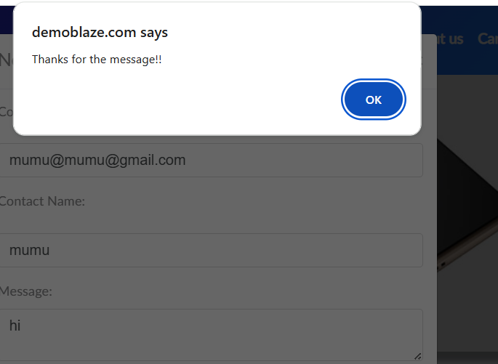 | 1. Load the URL. https://demoblaze.com/index.html 2.Click on the contact form 3.Enter an invalid email in Contact Email. 4.Fill other fields. 5.Click Send message button. | Medium | Minha Abhi | Open | https://demoblaze.com/index.html | Bug
SL_02 | BUG_002 | 2026-04-05 | Contact Page | Form submits successfully even when all fields are empty | 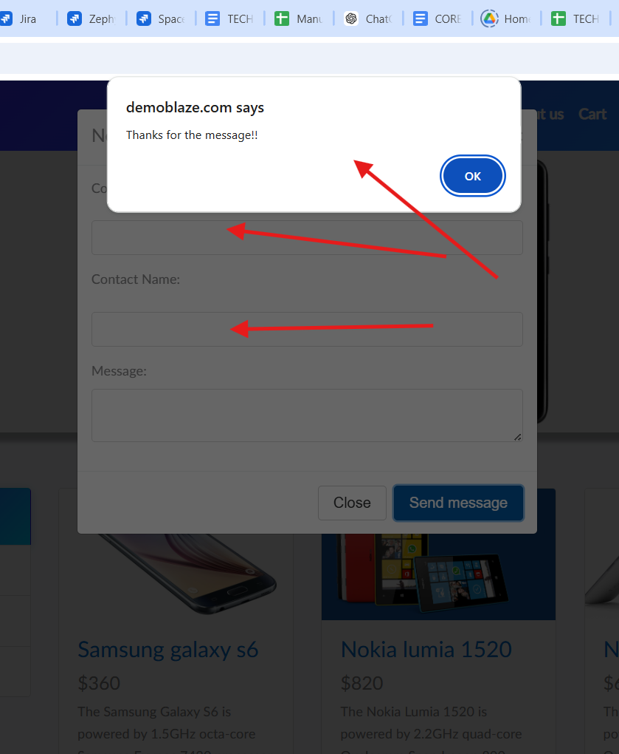 | 1. Load the URL. https://demoblaze.com/index.html 2.Click on the contact form 3.Leave all fields blank 4.Click Send message button. | Medium | Minha Abhi | Open | https://demoblaze.com/index.html | Bug
SL_03 | BUG_003 | 2026-04-05 | Contact Page | Form allows submission with only email entered, missing validation for required fields Mandatory symbol Not Provided |  | 1.Load the URL https://demoblaze.com/index.html 2. Click one the Contact form 3. Enter only email 4.Click Send message button | Medium | Minha Abhi | Open | https://demoblaze.com/index.html | Suggestion
SL_04 | BUG_004 | 2026-04-05 | Cart Page | When the same product is added multiple times to the cart, the system creates duplicate entries instead of updating the quantity. This leads to incorrect cart representation and may confuse users as there is no quantity indicator or merge logic implemented. |  | 1. Load the URL https://demoblaze.com/index.html 2 Select a product (Samsung galaxy s6) 3.Click Add to Cart Multiple times 4.Navigate to Cart | Medium | Minha Abhi | Open | https://demoblaze.com/index.html | Suggestion
SL_05 | BUG_005 | 2026-04-05 | Cart Page | The cart does not display any quantity field for products, making it impossible for users to know how many units of a product have been added or to modify quantity directly. |  | 1.Load the URL https://demoblaze.com/index.html 2.Select some products 3.Click Add to Cart 4.Go to Cart Page | Low | Minha Abhi | Open | https://demoblaze.com/index.html | Suggestion
SL_06 | BUG_006 | 2026-04-05 | Cart Page | After removing a product, there is a slight delay or no visual feedback indicating that the item has been removed, causing confusion for the user. | 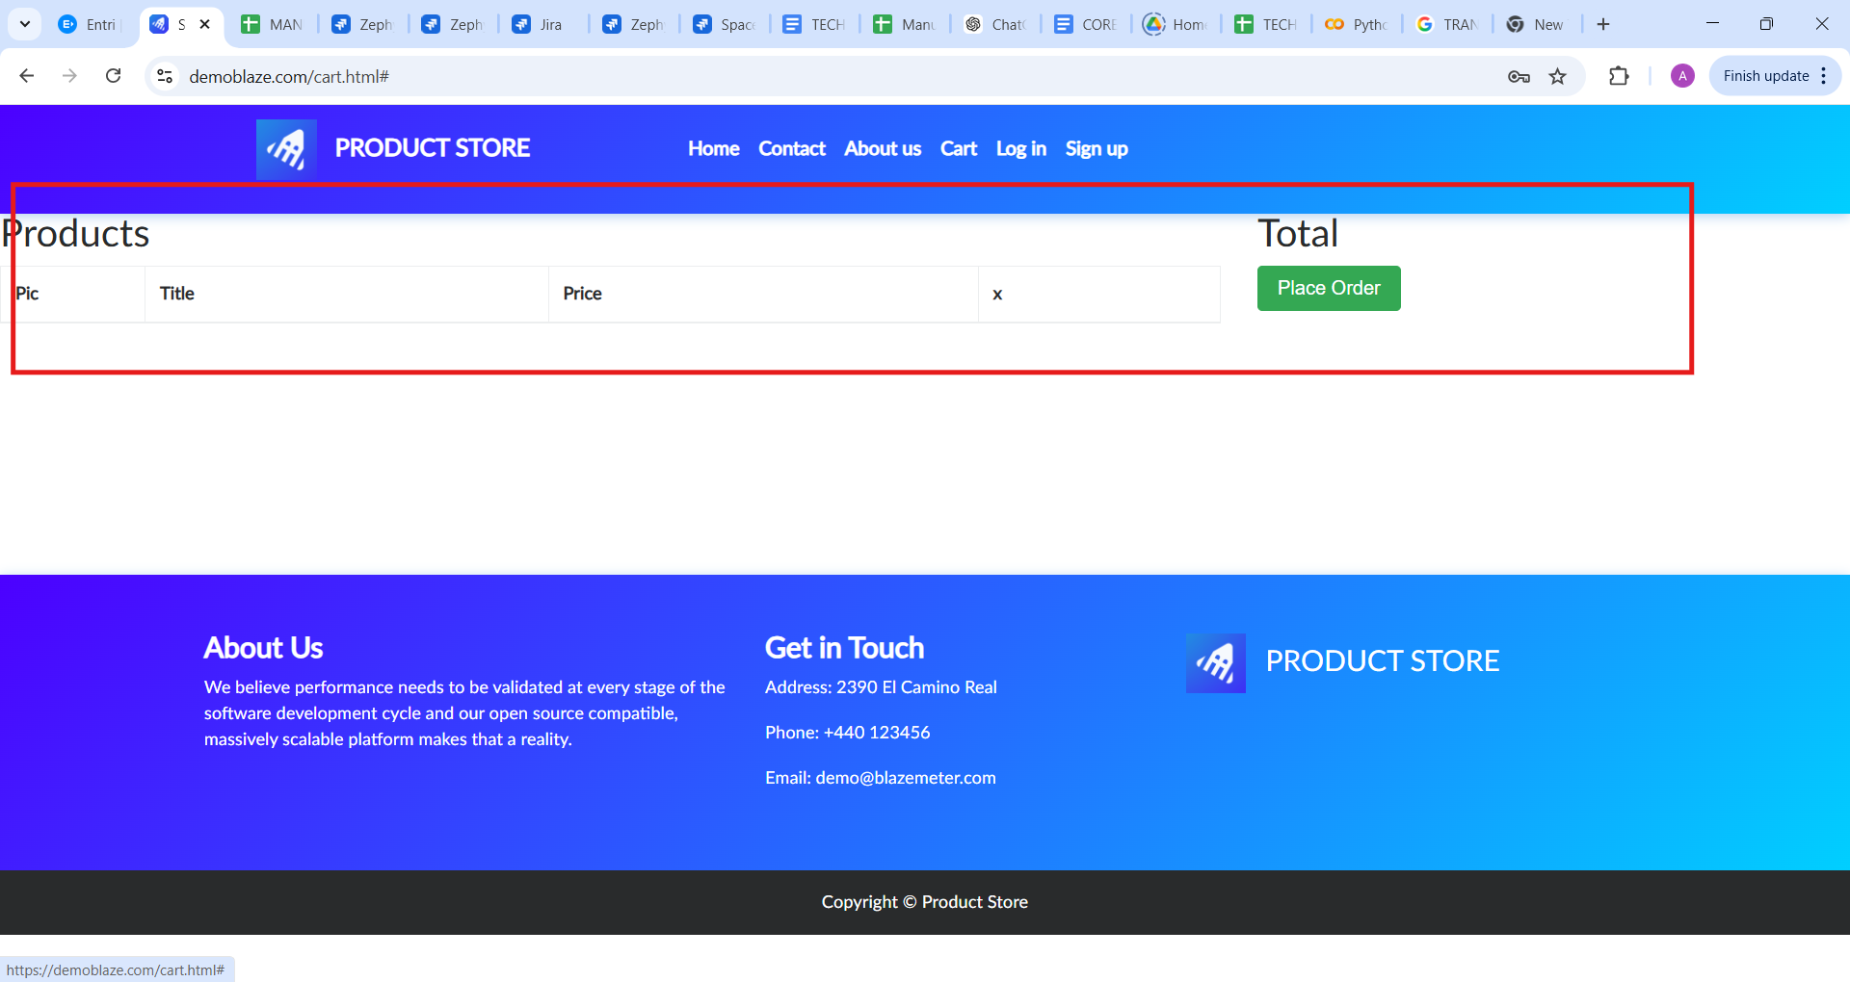 | 1.Load the URL https://demoblaze.com/index.html 2.Select some products 3.Click Add to Cart 4.Go to Cart Page 5.Delete one product 6.Observe UI Response | Medium | Minha Abhi | Open | https://demoblaze.com/index.html | Suggestion
SL_07 | BUG_007 | 2026-04-05 | Cart Page | "Place Order" button is visible even when the cart is empty, which may allow users to attempt checkout without selecting any product. |  | 1.Load the URL https://demoblaze.com/index.html 2.Go To Cart page 3.Click the Place Order Button | Medium | Minha Abhi | Open | https://demoblaze.com/index.html | Bug
SL_08 | BUG_008 | 2026-04-05 | About Us Page | Video playback does not provide quality settings or controls (like speed adjustment), limiting user interaction with media content. |  | 1.Load The URL https://demoblaze.com/index.html 2.Go to About Us Page 3.Play video 4.Check the control | Low | Minha Abhi | Open | https://demoblaze.com/index.html | Bug
SL_09 | BUG_009 | 2026-04-05 | Log In Page | When the login page opens, there is no visibility eye symbol in the area where you enter the password. |  | 1.Load the URL https://demoblaze.com/index.html 2.Click the login button 3.Check the password column | Medium | Minha Abhi | Open | https://demoblaze.com/index.html | Suggestion
SL_10 | BUG_010 | 2026-04-05 | Log In Page | After successfully logging in, when you go to the home page and double click the Categories button, Logout button will be displayed as Login. | N/A | 1.Load thenURL https://demoblaze.com/index.html 2.Click the Login Button 3.Enter the details 4.Click the login Button 5.Click the Categories Button 6.Observe Home Response | High | Minha Abhi | Open | https://demoblaze.com/index.html | Bug
SL_11 | BUG_011 | 2026-04-05 | UI Page | section in the footer of Demoblaze is incomplete and lacks essential location details. It does not provide full information such as a complete e street address, city, state, or country, making it difficult for users to clearly identify the business location or contact point. This can lead to confusion and reduces the credibility and usability of the website |  | 1.Load the URL https://demoblaze.com/index.html 2 Go To footer page 3.check the Address | High | Minha Abhi | Open | https://demoblaze.com/index.html | Bug
SL_12 | BUG_012 | 2026-04-05 | UI Page | The Phone number given in the title Get In Touch on the footer page is incorrect/incomplete. |  | 1.Load the URL https://demoblaze.com/index.html 2.Go to footer page 3.check the phone number | High | Minha Abhi | Open | https://demoblaze.com/index.html | Bug
SL_13 | BUG_013 | 2026-04-05 | UI Page | Unable to click on the email ID given in the footer page It may not be user-friendly for customers because it is not clickable. |  | 1.Load the URL https://demoblaze.com/index.html 2.Go to footer page 3.check the Email id | High | Minha Abhi | Open | https://demoblaze.com/index.html | Bug

